coba 5 and exam
 | JOIN

CONTOH 1. INNER JOIN
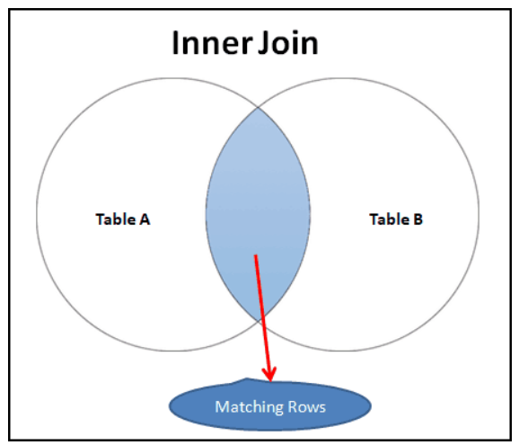
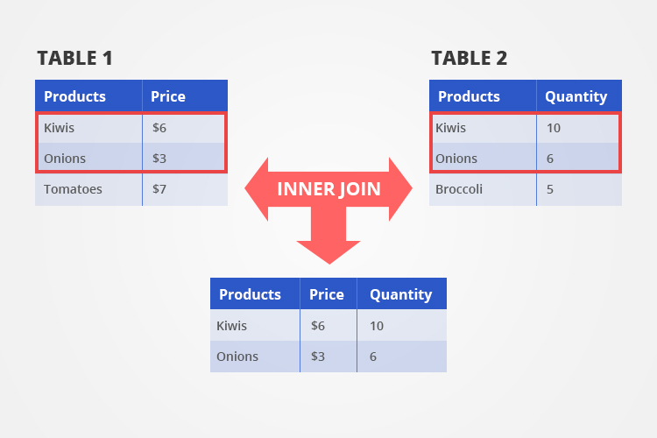

CONTOH 2. LEFT JOIN

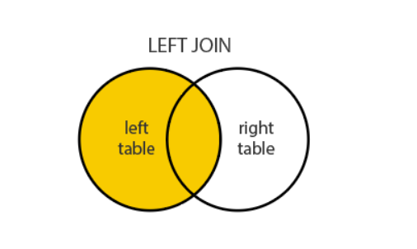

RESUME UNTUK JOIN

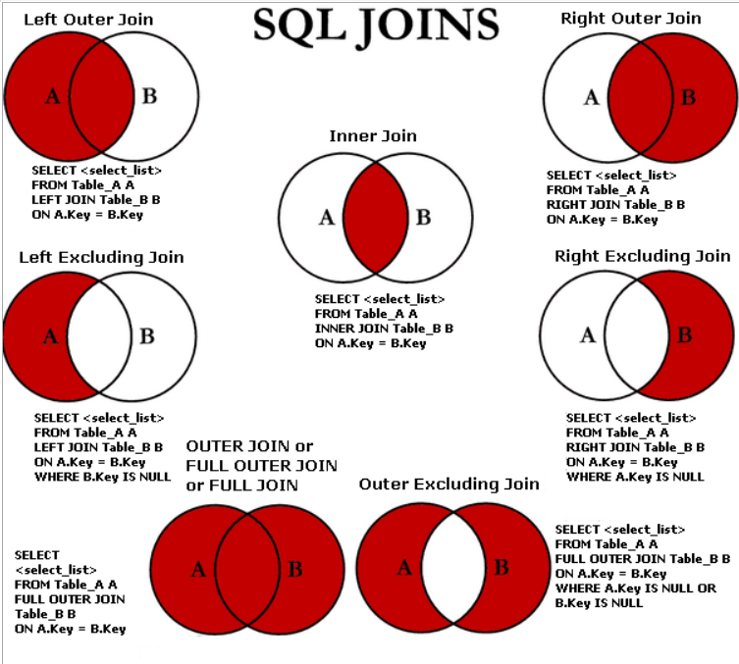

AGREGASI

1. COUNT
2. SUM
3. AVG
4. MIN
5. MAX

GROUP BY
Langsung Hands On

